Sheet1
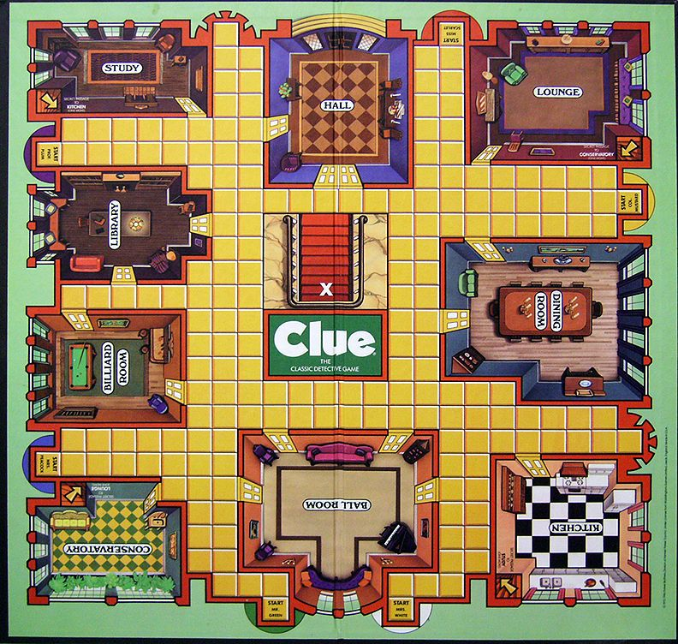
Category | Tasks (in order) | optional addons | Players | weapons | Rooms | Potential Classes
Movement | Create board tiles |  | Col Mustard | dagger | Hall | Player
 | Create player | player model | Prof Plum | candlestick | guest house | Room
 | player movement on board tiles | player movement animation | Rev green | revolver | dining room | Board
 | create dice | dice roll animation | Mrs Peacock | rope | kitchen | Weapons
 | base player movement on dice roll |  | Miss Scarlett | lead pipe | patio | Turn
 | Organise tiles into 9 rooms | Graphics | Mrs White | spanner | spa | Move
 | Restrict player movement to rooms |  |  |  | theatre | Solution
 | Create room cards (enum) superclass of cards? | Graphics |  |  | living room | CluedoAI (unsure how to split into several classes as of right now)
 | Create weapon cards (enum) | graphics |  |  | observatory
 | Create player cards (enum) | graphics (hearthstone ish)
 | Create 6 player models | graphics, nametags, animation
 | detective notes? not really needed

